Total Sales by Coffee Type
Coffee type vs total sale
Row Labels | Sum of money
Americano | 14650.26
Americano with Milk | 24751.12
Cappuccino | 17439.14
Cocoa | 8521.16
Cortado | 7384.86
COFFEE TYPE VS SALE PERCENTAGE
Espresso | 2690.28
Hot Chocolate | 9933.46
Latte | 26875.3
Grand Total | 112245.58

COFFEE TYPE VS SALE PERCENTAGE

 |  | COFFEE TYPE | SALE | SALE PERCENTAGE
 |  | Americano | 14650.26 | 13%
 |  | Americano with Milk | 24751.12 | 22%
 |  | Cappuccino | 17439.14 | 16%
 |  | Cocoa | 8521.16 | 8%
 |  | Cortado | 7384.86 | 7%
 |  | Espresso | 2690.28 | 2%
 |  | Hot Chocolate | 9933.46 | 9%
 |  | Latte | 26875.3 | 24%
 |  | Grand Total | 112245.58 | 100%

Sales by Time of Day
Time of Day | Sum of money
Afternoon | 38130.04
Morning | 35929.2
Night | 38186.34
Grand Total | 112245.58

Time of Day

Sales by Hour of Day
Hour of day vs Total sales
Row Labels | Sum of money
6 | 149.4
7 | 2846.02
8 | 7017.88
9 | 7264.28
10 | 10198.52
11 | 8453.1
12 | 7419.62
13 | 7028.76
14 | 7173.8
15 | 7476.02
16 | 9031.84
17 | 7659.76
18 | 7162.6
19 | 7751.96
20 | 5578.92
21 | 6397.94
22 | 3635.16
Grand Total | 112245.58

weekday vs sales
wEEK DAYS VS SALES
Row Labels | Sum of money
Sun | 13336.06
Mon | 17363.1
Tue | 18168.38
Wed | 15750.46
Thu | 16091.4
Fri | 16802.66
Sat | 14733.52
Grand Total | 112245.58

combochart
Row Labels | Sum of money | Count of cash_type
Americano | 14650.26 | 564
Americano with Milk | 24751.12 | 809
Cappuccino | 17439.14 | 486
Cocoa | 8521.16 | 239
Cortado | 7384.86 | 287
Espresso | 2690.28 | 129
Hot Chocolate | 9933.46 | 276
Latte | 26875.3 | 757
Grand Total | 112245.58 | 3547

kpi sales target
KPI-Salses Target
Month | Actual Sales | Sales target | Month | Actual Sales | Sales target
Jan | 6398.86 | 10000 | Jan | 6398.86 | 10000
Feb | 13215.48 | 10000 | Feb | 13215.48 | 10000
Mar | 15891.64 | 10000 | Mar | 15891.64 | 10000
Apr | 5719.56 | 10000 | Apr | 5719.56 | 10000
May | 8164.42 | 10000 | May | 8164.42 | 10000
Jun | 7617.76 | 10000 | Jun | 7617.76 | 10000
Jul | 6915.94 | 10000 | Jul | 6915.94 | 10000
Aug | 7613.84 | 10000 | Aug | 7613.84 | 10000
Sep | 9988.64 | 10000 | Sep | 9988.64 | 10000
Oct | 13891.16 | 10000 | Oct | 13891.16 | 10000
Nov | 8590.54 | 10000 | Nov | 8590.54 | 10000
Dec | 8237.74 | 10000 | Dec | 8237.74 | 10000
Grand Total | 112245.58

dashboard
Total Sales
112245.6
Customer
3547
Coffee FOURTH sales report
Best Coffee
Cappuccin
Top hour sale
10

Coffee type vs total sale
 | Total
Americano | 14650.26
Americano with Milk | 24751.12
Cappuccino | 17439.14
Cocoa | 8521.16
Cortado | 7384.86
Espresso | 2690.28
Hot Chocolate | 9933.46
Latte | 26875.3
Hour of day vs Total sales
 | Total
6 | 149.4
7 | 2846.02
8 | 7017.88
9 | 7264.28
10 | 10198.52
11 | 8453.1
12 | 7419.62
13 | 7028.76
14 | 7173.8
15 | 7476.02
16 | 9031.84
17 | 7659.76
18 | 7162.6
19 | 7751.96
20 | 5578.92
21 | 6397.94
22 | 3635.16
Time of Day
 | Total
Afternoon | 38130.04
Morning | 35929.2
Night | 38186.34
wEEK DAYS VS SALES
 | Total
Sun | 13336.06
Mon | 17363.1
Tue | 18168.38
Wed | 15750.46
Thu | 16091.4
Fri | 16802.66
Sat | 14733.52

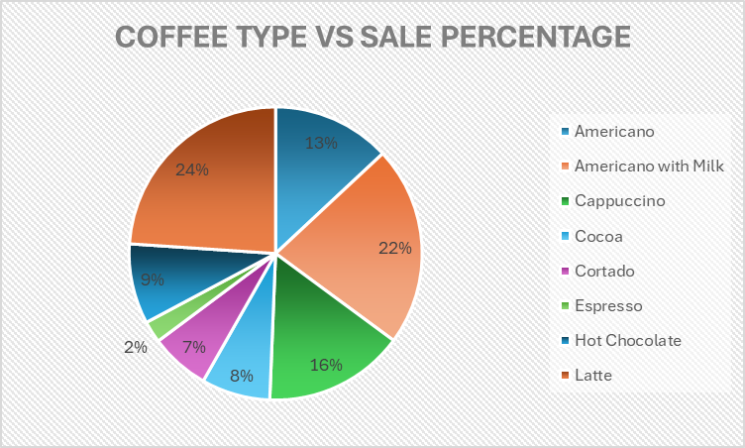
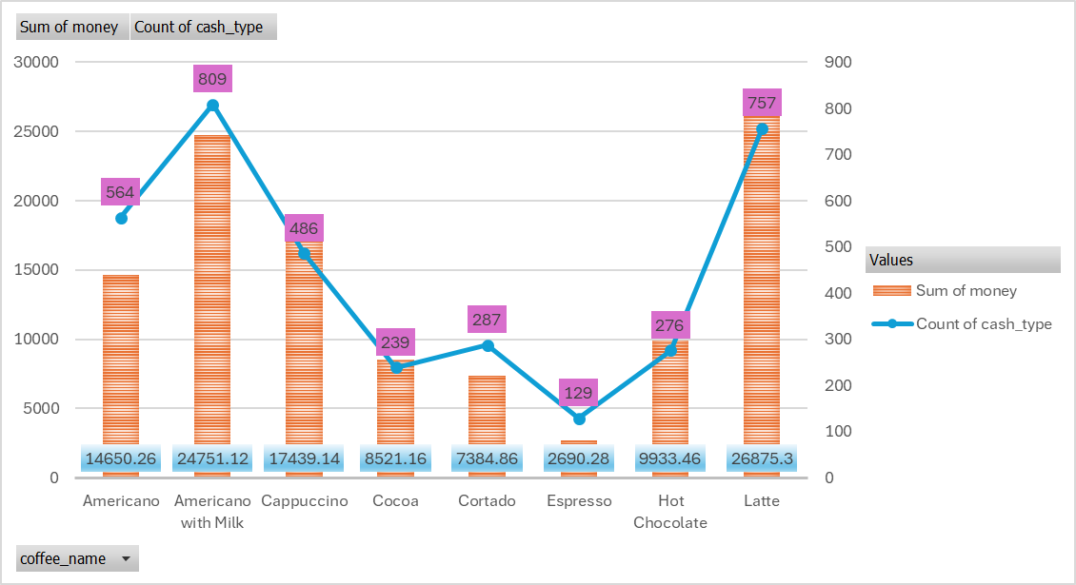
COFFEE TYPE VS SALE PERCENTAGE
 | Total
Americano | 14650.26
Americano with Milk | 24751.12
Cappuccino | 17439.14
Cocoa | 8521.16
Cortado | 7384.86
Espresso | 2690.28
Hot Chocolate | 9933.46
Latte | 26875.3

